Coverage Map
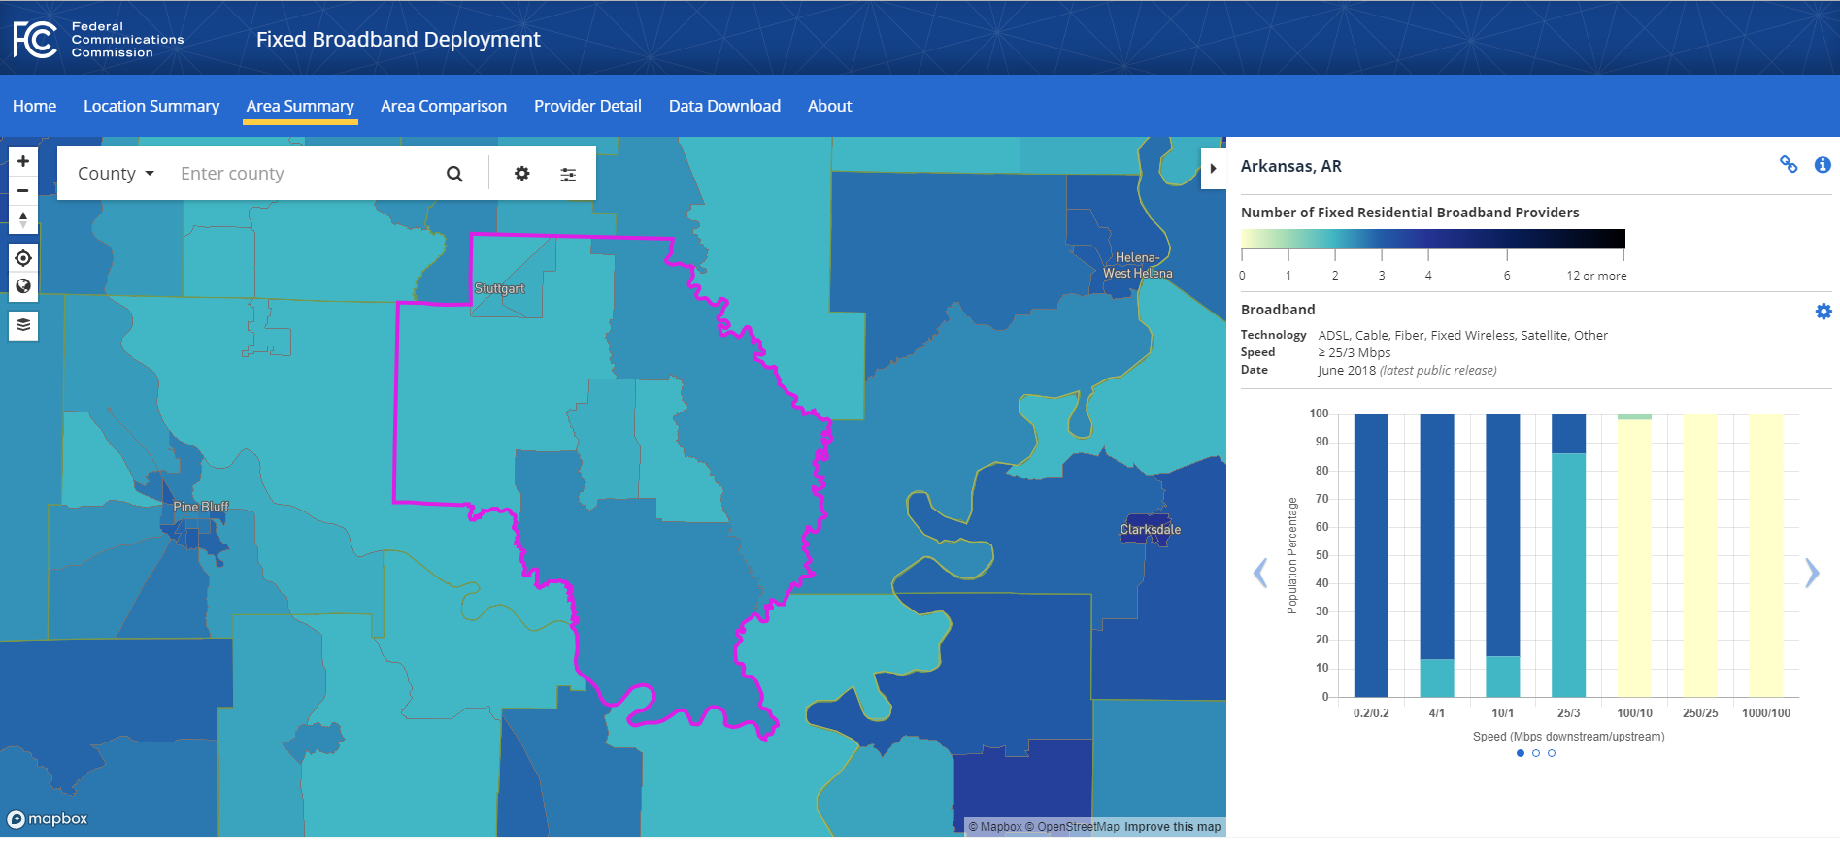
Arkansas Rural Connect

Sample Map/ Not to be used by entity, only for reference.
https://broadbandmap.fcc.gov/#/
https://broadbandmap.fcc.gov/#/area-summary?version=jun2018&type=county&geoid=05001&tech=acfosw&speed=25_3&vlat=34.253370653579&vlon=-91.381935&vzoom=8.907514540774015

Network Diagram
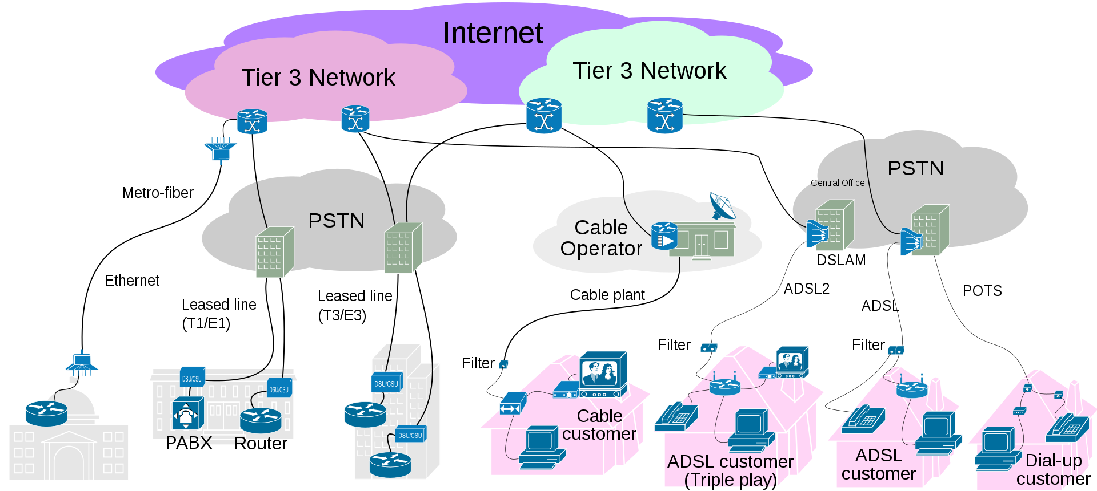
Arkansas Rural Connect

Sample Map/ Not to be used by entity, only for reference.

Project Plan
Arkansas Rural Connect

Project Summary - Word, PDF or text file

Rights and Easements
Arkansas Rural Connect

Rights & Easements
Please describe in detail the right-of-ways & easements needed for construction and a plan for obtaining them.

